Charts
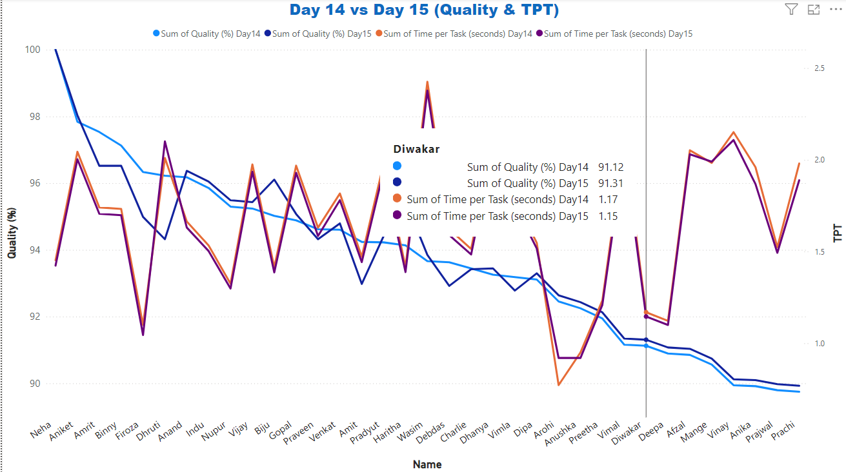
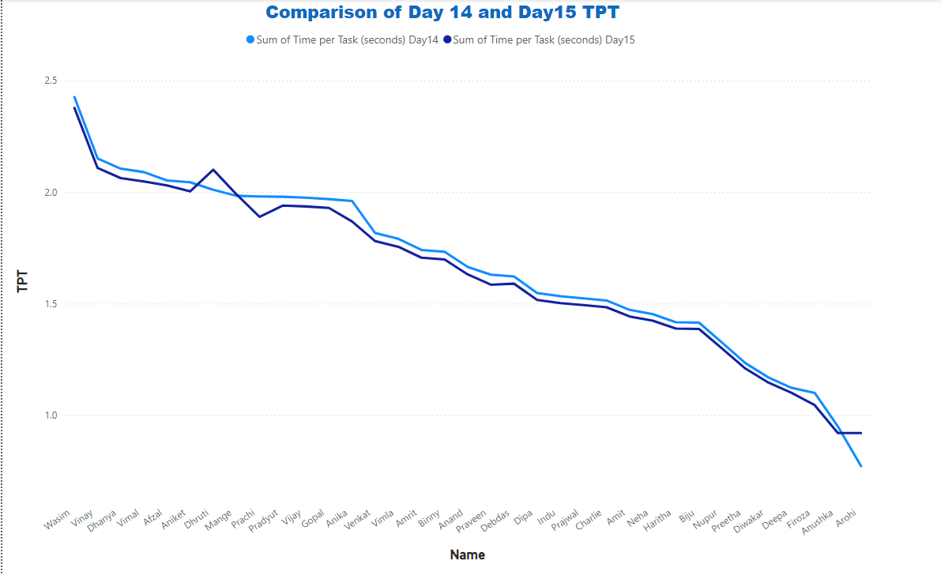
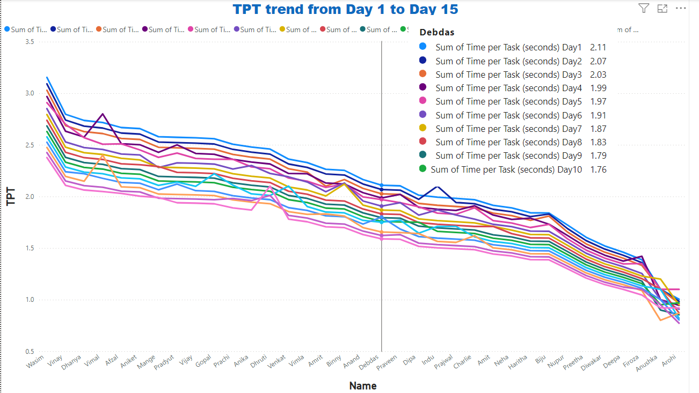
Average TPT vs Average Quality first 15 days
2.1506866286 | 91.385729143
2.1132616571 | 91.568501429
2.0658935143 | 91.751638
2.0414078 | 91.935884857
2.0082555714 | 91.920065714
1.9535951429 | 92.30325
1.9175079429 | 92.464404286
1.8740603143 | 92.661167429
1.8287006571 | 92.775435714
1.7999301143 | 92.957643143
1.7815737714 | 93.087545429
1.7312287429 | 93.333743143
1.7024983143 | 93.414434
1.6646591429 | 93.722237714
1.6370448 | 93.696997429
Average TPT vs Average Quality last 15 days
1.6071276571 | 93.716998
1.5892292286 | 93.937287429
1.5347282571 | 94.306041714
1.5304502857 | 94.16755
1.5074331143 | 94.142907143
1.5023242857 | 94.17595
1.4690326286 | 94.367584857
1.4134368286 | 94.705209714
1.3996505714 | 94.919653714
1.3849531714 | 94.672978857
1.3869200571 | 95.175008571
1.3504213143 | 94.698659714
1.3410725714 | 95.011906
1.3157793714 | 94.997599429
1.3331428571 | 95.054680571
Average TPT first 15 days
 | 2.1506866286
 | 2.1132616571
 | 2.0658935143
 | 2.0414078
 | 2.0082555714
 | 1.9535951429
 | 1.9175079429
 | 1.8740603143
 | 1.8287006571
 | 1.7999301143
 | 1.7815737714
 | 1.7312287429
 | 1.7024983143
 | 1.6646591429
 | 1.6370448

Average TPT last 15 days
 | 1.6071276571
 | 1.5892292286
 | 1.5347282571
 | 1.5304502857
 | 1.5074331143
 | 1.5023242857
 | 1.4690326286
 | 1.4134368286
 | 1.3996505714
 | 1.3849531714
 | 1.3869200571
 | 1.3504213143
 | 1.3410725714
 | 1.3157793714
 | 1.3331428571
Average TPT 30 days
 | 2.1506866286
 | 2.1132616571
 | 2.0658935143
 | 2.0414078
 | 2.0082555714
 | 1.9535951429
 | 1.9175079429
 | 1.8740603143
 | 1.8287006571
 | 1.7999301143
 | 1.7815737714
 | 1.7312287429
 | 1.7024983143
 | 1.6646591429
 | 1.6370448
 | 1.6071276571
 | 1.5892292286
 | 1.5347282571
 | 1.5304502857
 | 1.5074331143
 | 1.5023242857
 | 1.4690326286
 | 1.4134368286
 | 1.3996505714
 | 1.3849531714
 | 1.3869200571
 | 1.3504213143
 | 1.3410725714
 | 1.3157793714
 | 1.3331428571

